Swatch SKU Numbering
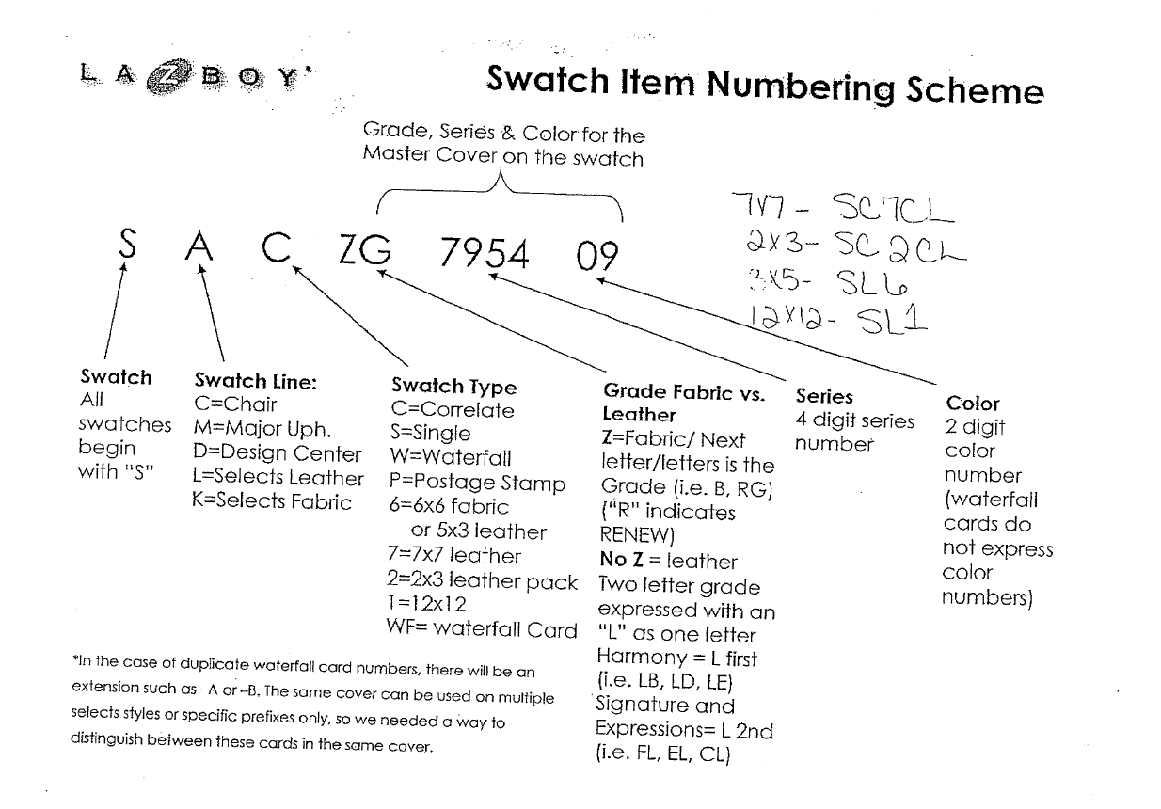
 |  |  | New Logic after 4/1/2024

 |  |  | 6x6
 |  |  | ALL covers - SM6Z + cover SKU

 |  |  | 3x5
 |  |  | All leathers - SL6 + cover SKU

LIFT CHAIR VAL PACK COVER INSERT | Cover | MS0367 000091-A
MOTION VAL PACK COVER INSERT | Cover | MS0360 000089-A
RECLINER VAL PACK COVER INSERT | Cover | MS0359 000088-A
RECLINER VAL PACK (CAN) COVER INSERT | Cover | MS0359CA
STATIONARY & SLEEP SOFA VAL PACK COVER INSERT | Cover | MS0330 000090-A
Health & Wellness VAL PACK COVER INSERT | Cover | MS0401
ANTIMICROBIAL DIVIDER *The current Anti Cover will become the Anti Divider* | Divider | MS0387
NANOBIONIC DIVIDER | Divider | MS0402

